Set-up data
Coordinate System (PLEASE SELECT EACH AXIS BELOW) |  |  |  |  |  |  |  |  | Enter additional notes below:
X positive forward | 1 | Year
Y positive rightward | 1 |  |  | Make
Z positive downward | 1 |  |  | Model

Forward
Downward
Rightward
Seat |  |  |  |  | Head restraint
Seat adjustments |  | Type | Position for testing |  |  | Type | Number of positions (Full down/rear = 1) | Position for testing (Full down/rear = 1)
Material |  |  | NA |  | Height adjust
Track |  |  |  |  | Tilt adjust
Seat back |  |  |  |  | Anti-whiplash mechanism | Please enter description here
Seat height
Seat tilt
Seat cushion height
Seat cushion tilt
Lumbar
Upper seat back of a two point articulating seat back
Cushion Extension
Side Bolster

Coordinate locations |  |  |  |  | Calculated distances
Note: Seatbolt locations should be taken in the center of the bolt hole on the top surface of the track where it contacts the mount (See example figure below). If bolt hole locations are taken with bolts in the hole, collect a point on the top surface of the track next to the left front seatbolt hole and place it in the "Outboard seat track reference" cells.
Fixed Seat/Vehicle Point Locations | X (mm) | Y (mm) | Z (mm) | Degrees | Distances between relative points | ∆X (mm) | ∆Y (mm) | ∆Z (mm)

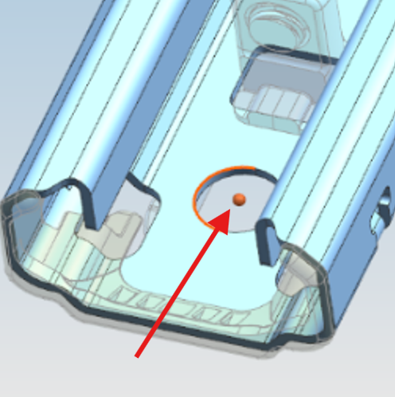
Seatbolt Hole Location Example
Outboard seat track reference
Left front seatbolt hole
Right front seatbolt hole |  |  |  |  | Right front bolt hole to left front | 0 | 0 | 0
Right rear seatbolt hole |  |  |  |  | Right rear bolt hole to left front | 0 | 0 | 0
Left rear seatbolt hole |  |  |  |  | Left rear bolt hole to left front | 0 | 0 | 0
Heel point |  |  |  |  | Heel point to left front bolt hole |  |  | 0.00

Left track angle
Right track angle

Seatback angle
Seatback angle measurement location
Center recliner (unweighted) |  |  |  |  | HR post to recliner center (unweighted) | 0.00 |  | 0.00
Head restraint post point (unweighted)
Head Restraint Point (HRP) @ Test Position (unweighted) |  |  |  |  | Calculated Unweighted Seatback Angle (HRP/RC)
Highest point on head restraint (unweighted)

Manikin Torso angle |  |  |  |  | Manikin backset | 0.00
Manikin H-point
Manikin back of head point |  |  |  |  | HR post to recliner center (weighted) | 0.00 |  | 0.00
Head Restraint Point (HRP) @ Test Position (weighted)
Center recliner (weighted) |  |  |  |  | Calculated Weighted Seatback Angle (HRP/RC)
Head restraint post point (weighted)

BioRID pelvic angle |  |  |  |  | BioRID backset | 0.00
BioRID H-point
BioRID back of head point
Head Restraint Point (HRP) @ Test Position (weighted)
Center recliner (weighted)
Head restraint post point (weighted)

Channel_translation
IIHS_channel_name | Automaker_channel_name
Time
Head_x_acc
Head_y_acc
This sheet is only necessary if time-history data is provided in a format other than this Excel file (e.g., Diadem)
Head_z_acc
T1_x_acc_left
T1_z_acc_left
T1_x_acc_right
L1_x_acc
L1_z_acc
Pelvis_x_acc
Pelvis_y_acc
Pelvis_z_acc
Upper_neck_FOX
Upper_neck_FOZ
Upper_neck_MOY
Sled_x_acc
Sled_y_acc
Sled_z_acc
Head_contact

