Setup Information Sheet
Seat Information |  |  |  | Forward | Leftward | Upward |  | Place extra reference information below (images, wiring pinouts, etc.):
 |  |  |  | Rearward | Rightward | Downward
Year/Make/Model
Most popular seat trim
Applicable model years
Additional applicable vehicles
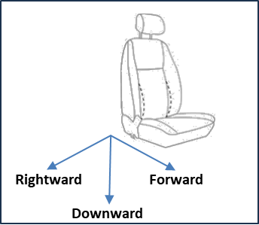
Coordinate system (select one from dropdown list below for each axis)
 |  | X+ | Forward
 |  | Y+ | Rightward
 |  | Z+ | Downward
Please decribe vehicle-equipped rear impact passive or intergated safety systems OR note if there is a vehicle-specific belt that would influence outcomes for a 16 km/h or 24 km/h test

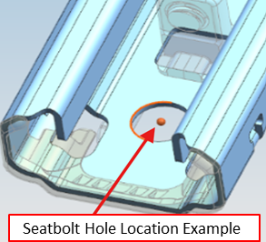
Seat and manikin positioning (25° SAE J826 manikin torso angle)
Note: Seatbolt locations should be taken in the center of the bolt hole on the top surface of the track where it contacts the mount (See example figure below). If bolt hole locations are taken with bolts in the hole, collect a point on the top surface of the track next to the left front seatbolt hole and place it in the "Outboard seat track reference" cells.
 |  |  |  | X (mm) | Y (mm) | Z (mm) | Angle (°)
 | Outboard seat track reference
 | Left front seatbolt hole
 | Right front seatbolt hole
 | Right rear seatbolt hole
 | Left rear seatbolt hole
 | Track angle (design)

 | Center recliner (unweighted)
 | Head restraint post (unweighted)
 | Center recliner (weighted with SAE J826 manikin)
 | Head restraint post (weighted with SAE J826 manikin)
 | Heel point
 | Left front seat bolt to floor distance |  |  |  |  | -
 | Left front seat bolt to sled surface (IIHS USE) |  |  |  |  | -
Head restraint positioned mid-height and mid fore-aft (25° SAE J826 manikin torso angle)
 | Rearmost point on manikin head
Front surface of head restraint (level with manikin point)
Note: Manikin backset and torso angle are for reference and will not be targeted for test. |  | Manikin backset |  | -
 |  | Manikin H-point (average of left/right)
 |  | Manikin torso angle (measured on torso land)
Seat power supply |  |  |  |  |  |  |  | Place extra reference information below (images, wiring pinouts, etc.):
 | If the seat has electrically powered adjustments, please provide either a diagram of the pins in the power connector or a connector through which power can be applied to all adjustments.

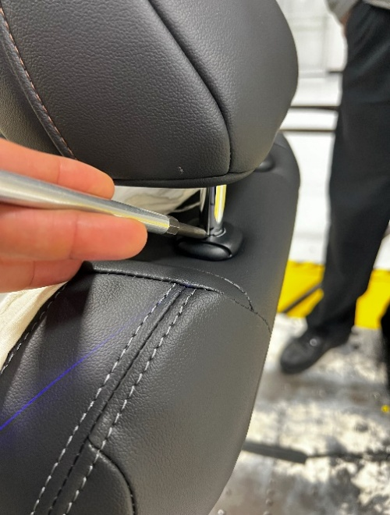

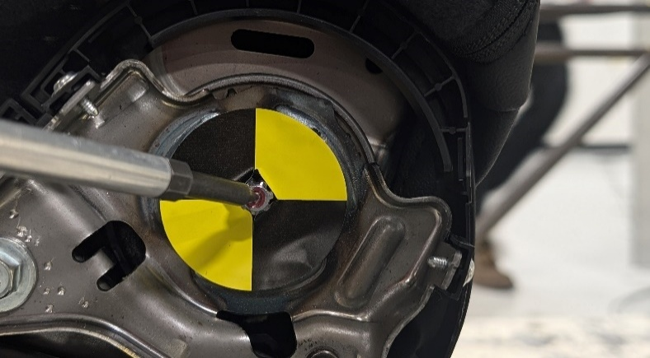

Head restraint post point |  |  |  | Center recliner point

