16K Corridors
16K Corridors
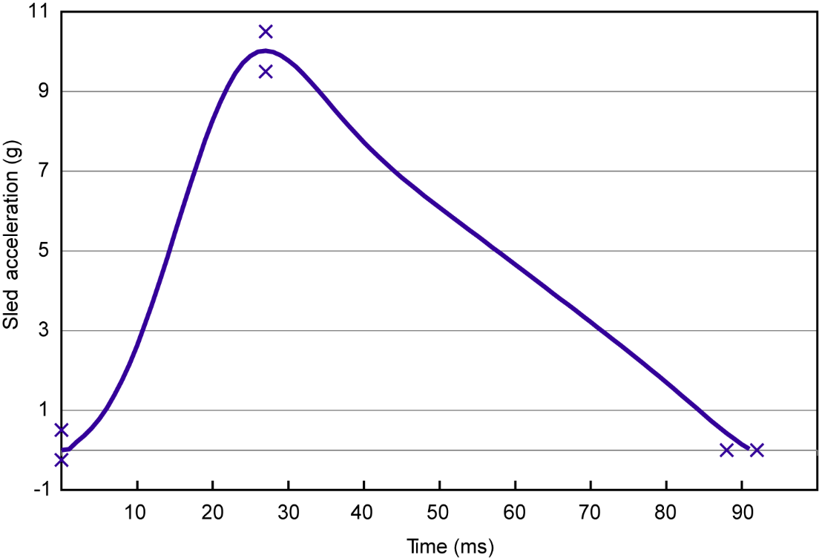
 | Minimum Corridor | Maximum Corridor

Acceleration at Time=0 ms (g) | -0.25 | 0.50

Acceleration at Time= 27 ms (g) | 9.5 | 10.5

Time that sled acceleration returns to zero (ms) | 88 | 94

Pulse delta-V (km/h) | 14.8 | 16.2

16K Simulation pulse chart
 | Target |  | Acceleration at Time=0 ms (g) |  | Acceleration at Time= 27 ms (g) |  | Time that sled acceleration returns to zero (ms) |  | Simulation - standard 16K pulse
0 | 0 | 0 | -0.25 | 27 | 9.5 | 88 | 0 | -93.1 | -0.068777813856
1 | 0.019771 | 0 | 0.5 | 27 | 10.5 | 94 | 0 | -93 | -0.065680113905
2 | 0.200515 |  |  |  |  |  |  | -92.9 | -0.06259915357
3 | 0.353926 |  |  |  |  |  |  | -92.8 | -0.059548720067
4 | 0.545065 |  |  |  |  |  |  | -92.7 | -0.056540498645
5 | 0.777218 |  |  |  |  |  |  | -92.6 | -0.053584699951
6 | 1.053183 |  |  |  |  |  |  | -92.5 | -0.050690145558
7 | 1.375127 |  |  |  |  |  |  | -92.4 | -0.04786421299
8 | 1.74433 |  |  |  |  |  |  | -92.3 | -0.045113457301
9 | 2.160836 |  |  |  |  |  |  | -92.2 | -0.042444327052
10 | 2.62308 |  |  |  |  |  |  | -92.1 | -0.039862741466
11 | 3.127628 |  |  |  |  |  |  | -92 | -0.037372902574
12 | 3.669156 |  |  |  |  |  |  | -91.9 | -0.034977087697
13 | 4.240642 |  |  |  |  |  |  | -91.8 | -0.032676338975
14 | 4.833609 |  |  |  |  |  |  | -91.7 | -0.030470789186
15 | 5.438418 |  |  |  |  |  |  | -91.6 | -0.02835987317
16 | 6.044617 |  |  |  |  |  |  | -91.5 | -0.026342729627
17 | 6.641417 |  |  |  |  |  |  | -91.4 | -0.024418308429
18 | 7.218166 |  |  |  |  |  |  | -91.3 | -0.022584989524
19 | 7.764556 |  |  |  |  |  |  | -91.2 | -0.02084000441
20 | 8.270567 |  |  |  |  |  |  | -91.1 | -0.019179477602
21 | 8.726506 |  |  |  |  |  |  | -91 | -0.017599254439
22 | 9.123388 |  |  |  |  |  |  | -90.9 | -0.016095476347
23 | 9.453562 |  |  |  |  |  |  | -90.8 | -0.014664321862
24 | 9.711219 |  |  |  |  |  |  | -90.7 | -0.013301370724
25 | 9.892592 |  |  |  |  |  |  | -90.6 | -0.012001366994
26 | 9.996016 |  |  |  |  |  |  | -90.5 | -0.010758796976
27 | 10.022165 |  |  |  |  |  |  | -90.4 | -0.0095685201805
28 | 9.989621 |  |  |  |  |  |  | -90.3 | -0.0084255253445
29 | 9.901381 |  |  |  |  |  |  | -90.2 | -0.007324310439
30 | 9.775395 |  |  |  |  |  |  | -90.1 | -0.0062586349412
31 | 9.617237 |  |  |  |  |  |  | -90 | -0.005221700007
32 | 9.433298 |  |  |  |  |  |  | -89.9 | -0.0042069091598
33 | 9.230261 |  |  |  |  |  |  | -89.8 | -0.0032090573509
34 | 9.01467 |  |  |  |  |  |  | -89.7 | -0.0022251728205
35 | 8.792547 |  |  |  |  |  |  | -89.6 | -0.0012547625785
36 | 8.569053 |  |  |  |  |  |  | -89.5 | -0.00029953087889
37 | 8.348221 |  |  |  |  |  |  | -89.4 | 0.000637803333
38 | 8.132867 |  |  |  |  |  |  | -89.3 | 0.0015551467292
39 | 7.924731 |  |  |  |  |  |  | -89.2 | 0.0024518690687
40 | 7.724711 |  |  |  |  |  |  | -89.1 | 0.0033284915527
41 | 7.533067 |  |  |  |  |  |  | -89 | 0.0041855170192
42 | 7.349591 |  |  |  |  |  |  | -88.9 | 0.0050221223603
43 | 7.173749 |  |  |  |  |  |  | -88.8 | 0.0058360292513
44 | 7.004796 |  |  |  |  |  |  | -88.7 | 0.0066243592746
45 | 6.841874 |  |  |  |  |  |  | -88.6 | 0.0073838942105
46 | 6.684084 |  |  |  |  |  |  | -88.5 | 0.008110838573
47 | 6.530539 |  |  |  |  |  |  | -88.4 | 0.008801068115
48 | 6.380403 |  |  |  |  |  |  | -88.3 | 0.009450559663
49 | 6.232918 |  |  |  |  |  |  | -88.2 | 0.010055739213
...

24K Corridors
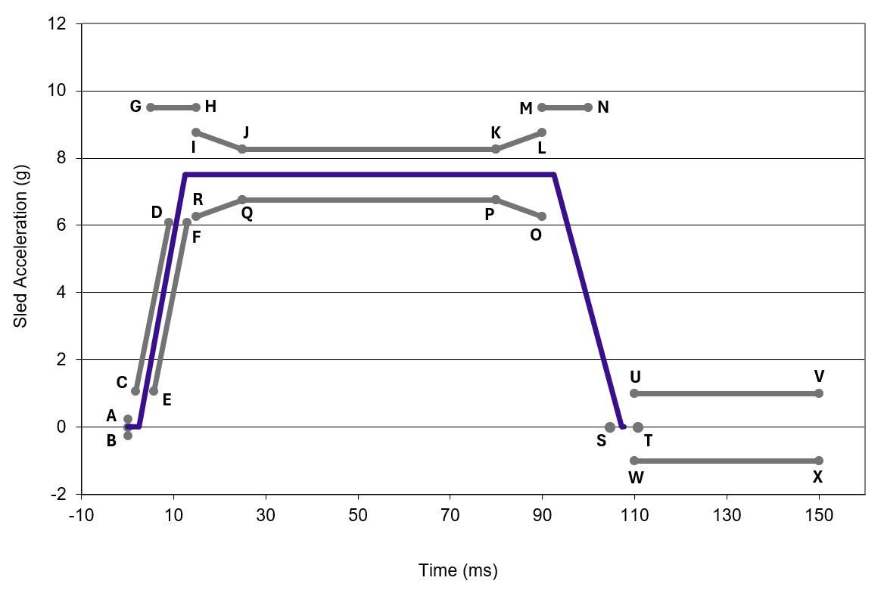
24K Corridors: |  | Time (ms) | Acceleration (g)
 | A | 0 | 0.25
 | B | 0 | -0.25
 | C | 1.8 | 1.0714
 | D | 9 | 6.088
 | E | 5.8 | 1.0714
 | F | 13 | 6.088
 | G | 5 | 9.5
 | H | 15 | 9.5
 | I | 15 | 8.75
 | J | 25 | 8.25
 | K | 80 | 8.25
 | L | 90 | 8.75
 | M | 90 | 9.5
 | N | 100 | 9.5
 | O | 90 | 6.25
 | P | 80 | 6.75
 | Q | 25 | 6.75
 | R | 15 | 6.25
 | S | 104.7 | 0
 | T | 110.7 | 0
 | U | 110 | 1
 | V | 150 | 1
 | W | 110 | -1
 | X | 150 | -1

24K Simulation pulse chart
 | #REF! |  | #REF! |  | CD |  | EF |  | GH |  | IJ |  | JK |  | KL |  | MN |  | RQ |  | QP |  | PO
0 | -0.25 | 0.1047 | 0 | 1.8 | 1.0714 | 5.8 | 1.0714 | 5 | 9.5 | 15 | 8.75 | 25 | 8.25 | 80 | 8.25 | 90 | 9.5 | 25 | 6.75 | 80 | 6.75 | 90 | 6.25
0 | 0.25 | 0.1107 | 0 | 9 | 6.088 | 13 | 6.088 | 15 | 9.5 | 25 | 8.25 | 80 | 8.25 | 90 | 8.75 | 100 | 9.5 | 15 | 6.25 | 25 | 6.75 | 80 | 6.75

