Rear Pass Clearance Measures
Hand Clearance Measurements
Location | Code | Measurement
 |  |  |  |  | HR post
Head to head restraint, level | HHR |  | mm |  | Seatback
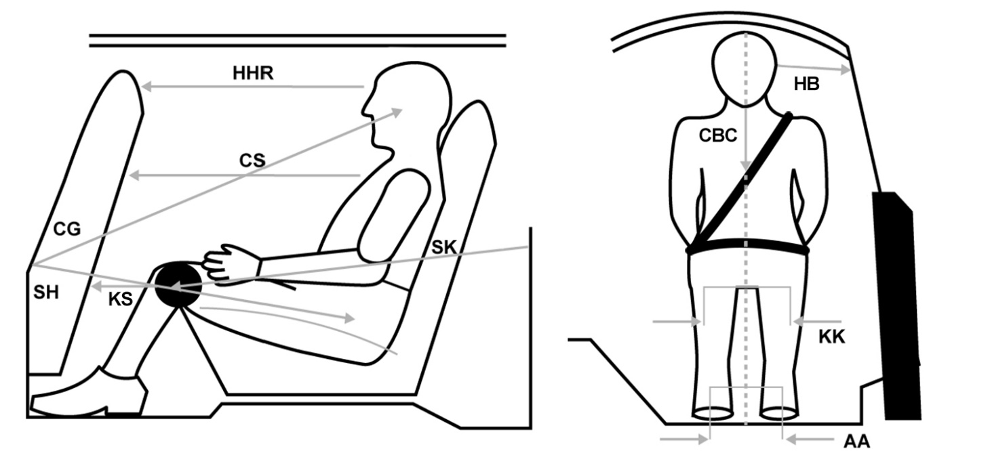
Chest to seat back, level | CS |  | mm |  | Seatback with bar
Knee to seat back, left | KSL |  | mm
Knee to seat back, right | KSR |  | mm
Knee to knee | KK |  | mm
Ankle to Ankle | AA |  | mm
Head to B-pillar | HB |  | mm
Chin to top edge of belt along dummy centerline | CBC |  | mm
Pelvic angle | PA |  | degrees
Final seatback angle | SA |  | degrees
Seatback angle measurement location | SAL
Neck bracket position, see table at right | NBP |  | pos
Head angle, if not zero | HA |  | degrees | Forward: Negative, Rearward: Positive
Acute tibia thigh angle measured by inclinometer, alt zero at thigh | TTA |  | Notched side |  | Flat side
Final tibia thigh angle, alt zero at thigh | TTA | 180 | degrees |  | Notched side

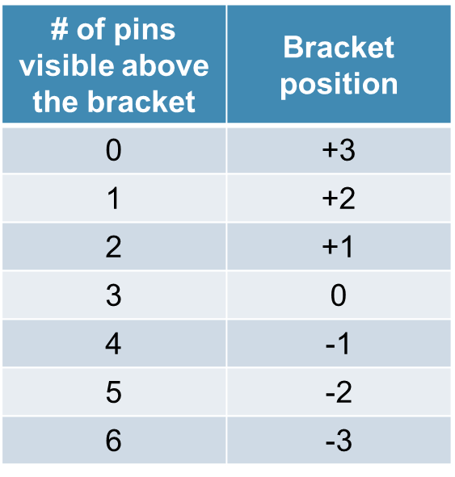
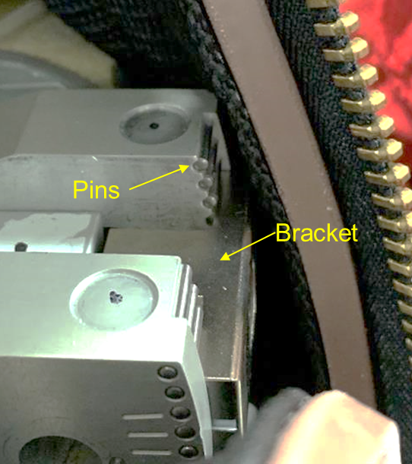
Location | Measurement
Rear striker to head CG, horizontal | CGH |  | mm
Rear striker to head CG, lateral | CGL |  | mm
Rear striker to head CG, vertical | CGV |  | mm
Rear striker to H-point, horizontal | SHH |  | mm
Rear striker to H-point, lateral | SHL |  | mm
Rear striker to H-point, vertical | SHV |  | mm
Rear striker to right knee bolt | SK |  | mm
Torso Recline Angle | TRA |  | degrees
Rear striker to knee angle | SKA |  | degrees

Notes:

HIII Dummy Countour CHART
 | H-Point | Head CG | Chest Reference | Left Knee | Right Knee | Front seatback | Head | Beltpath

